Read Me
This "Read Me" tab includes information on the methodological choices and notes included in this research summary, such as inclusion/exclusion criteria and the meaning of "Citation flagged with e.g."

Description of tabs |  | Meaning of column titled "Claim flagged with "e.g." citation style"
Name of tab | Description of tab | A review of Standard 4 (i.e., Incentives, Sanctions, Service Adjustments (ISSA)) shows that some claims are cited in the traditional sense of (Author, Year) while others are cited as (e.g., Author, Year). Some have interpreted this as there are several sources that back up this claim and the use of e.g., merely indicates these are just a few examples of potential citations. In the current context, it may also mean that these studies do not directly test the claim but: (1) the study tests one of the concepts in the claim but the test is not related to the claim, or (2) one could potentially infer from the research this conclusion but the conclusion may be extrapolated beyond the given data. For instance, Frazer (2006) finds that procedural justice is higher in a community court than traditional court but the study does not directly assess the impact of providing advanced notice on perceptions of procedural justice (it is assumed the community court does while traditional court does not). Additionally, Stutts and Cohen (2022) examines how procedural justice is related to changes in depressive symptoms among adolescents, but they do not test whether providing advanced notice impacts perceptions of procedural justice.
"Hot Sheet" | This tab provides a quick summary view of the evidence for each unique evaluated claim in Standard 4 of the 2023 All Rise Best Practice Standards. (Claims that are reiterated in several places are only evaluated the first time). Readers can also review the "Review tab" or summary for each claim by clicking the claims with a hyperlink (those without a hyperlink have zero or only one empirical study--those can be reviewed under the "Summary of literature" tab).
Summary of literature | This tab includes: (1) author name, year, and hyperlink to abstract or publication if available, (2) a description of the sample to provide context for the finding, (3) the claim(s) in Standard 4 for which the reference is cited to support, (4) a column to indicate if the citation is flagged as an "e.g.," citation (see description of significance in Column D), (5) whether the exact claim or a similar claim was found in Standard 4 of the 2015 Best Practices, (6) a summary of the results, and (7) a takeaway column which provides a high level overview of the results. Note: research summaries often include direct quotes from the original article to preserve the authors' original language. These direct quotes may or may not be indicated by the use of quotation marks. This file is the first author's (Vaske) personal research summary file.
Review tabs | All remaining tabs (marked in a dark blue) synthesize the evidence for a particular claim where there is more than one empirical article that directly tested the claim.

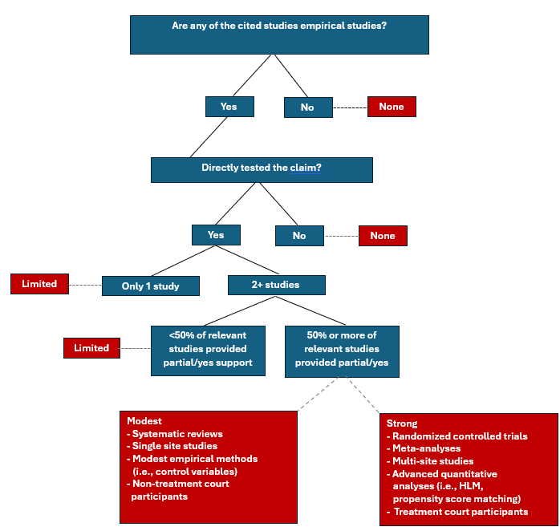
Inclusion and exclusion criteria for studies and claims that were evaluated |  | Decision tree for strength of cited empirical evidence rating
Studies were excluded if: | Studies were included if:
Not an empirical study--includes literature reviews, theoretical papers, law reviews, court opinions, case law, or book chapters that did not involve empirical research methods | Empirical study or is a systematic review (i.e., sample of individuals or papers, clear inclusion/exclusion criteria)
Model tested "known" facts of SUD (i.e., genetic basis, role of impulsivity) | Tested practices in the treatment court setting |  | Variable
Tests of offender-decision making or psychological processes without connection to DTC practices, CJS practices, DTC outcomes, or CJS outcomes | Tested practices in an adjacent criminal justice setting (i.e., pretrial, probation) |  | Strength of cited empirical evidence rating
 | Tests of offender-decision making or psychological processes that examine association of those processes to DTC practices, CJS practices, DTC outcomes, or CJS outcomes

